EBBR - Gates (data)
Name | Type | Max aircraft size | Max length (m) | International | Low cost | Close
140 | Airline | A321, 737, Dash-8, Embraers | 35.9 | 0 | 0 | 1
142 | Airline | A321, 737, Dash-8, Embraers | 35.9 | 0 | 0 | 1 | Gates map: https://www.brusselsairport.be/en/airport-operations/access-mobility/mobility/driving-licenses/airside-traffic-maps
143 | Airline | A321, 737, Dash-8, Embraers | 35.9 | 0 | 0 | 1
144 | Airline | A321, 737, Dash-8, Embraers | 35.9 | 0 | 0 | 1
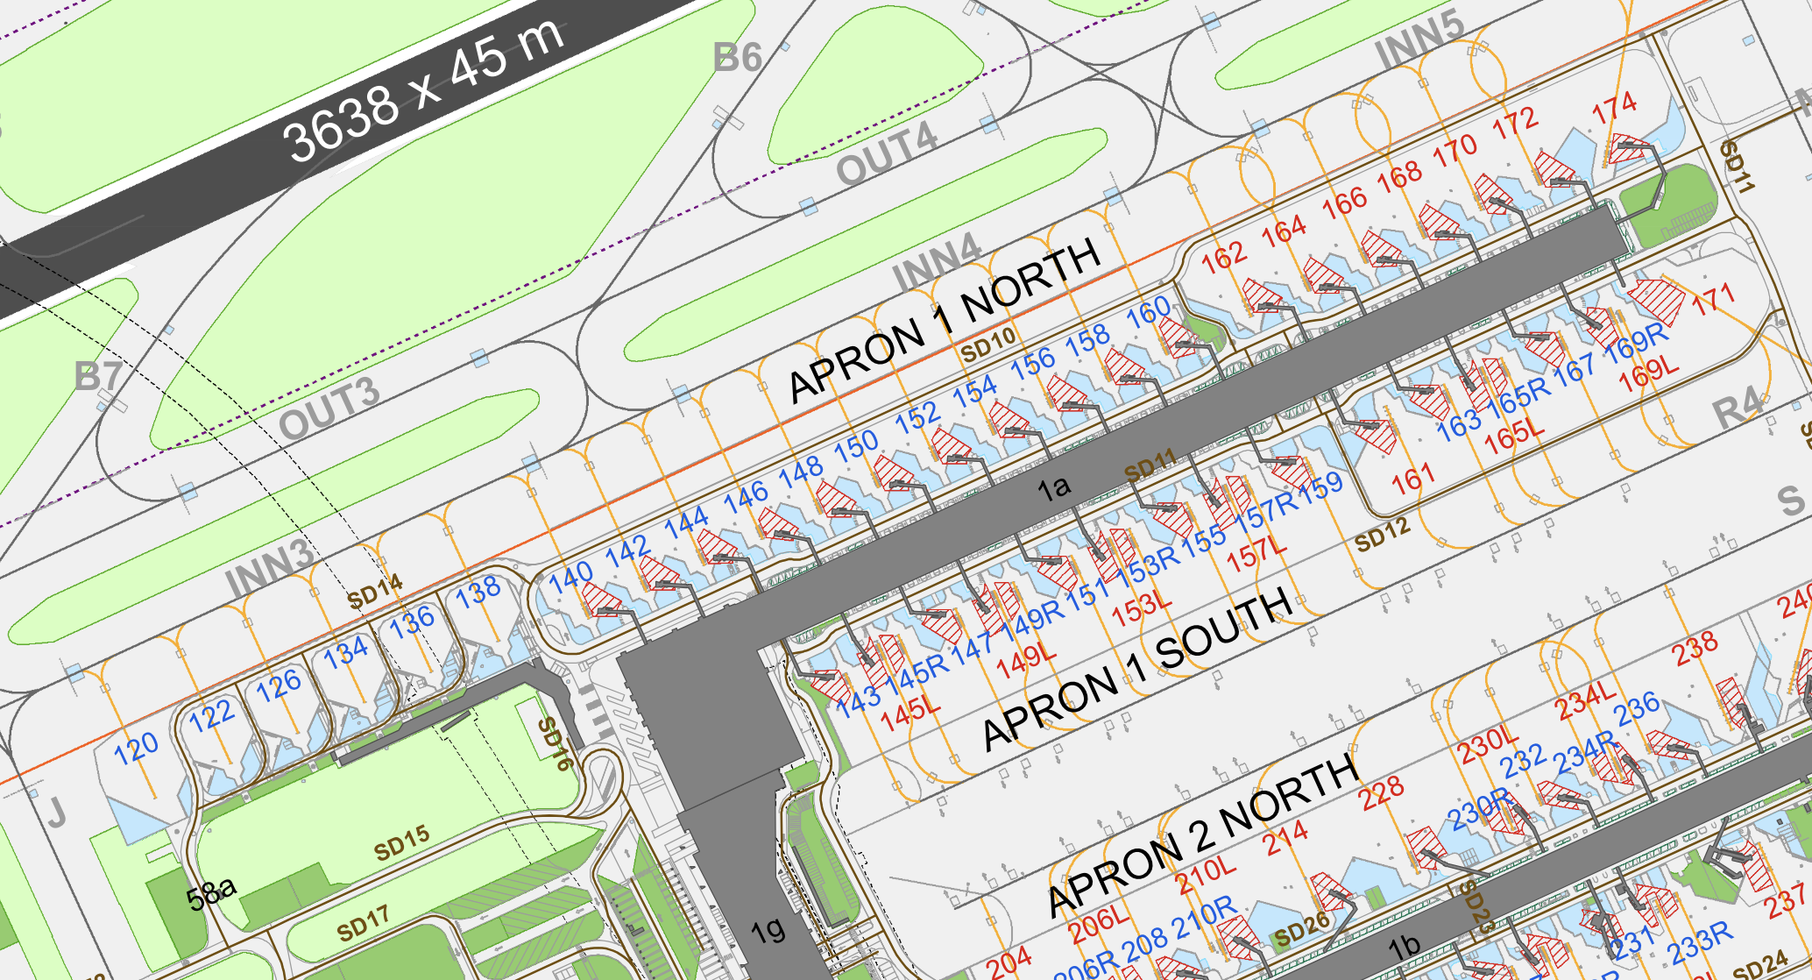
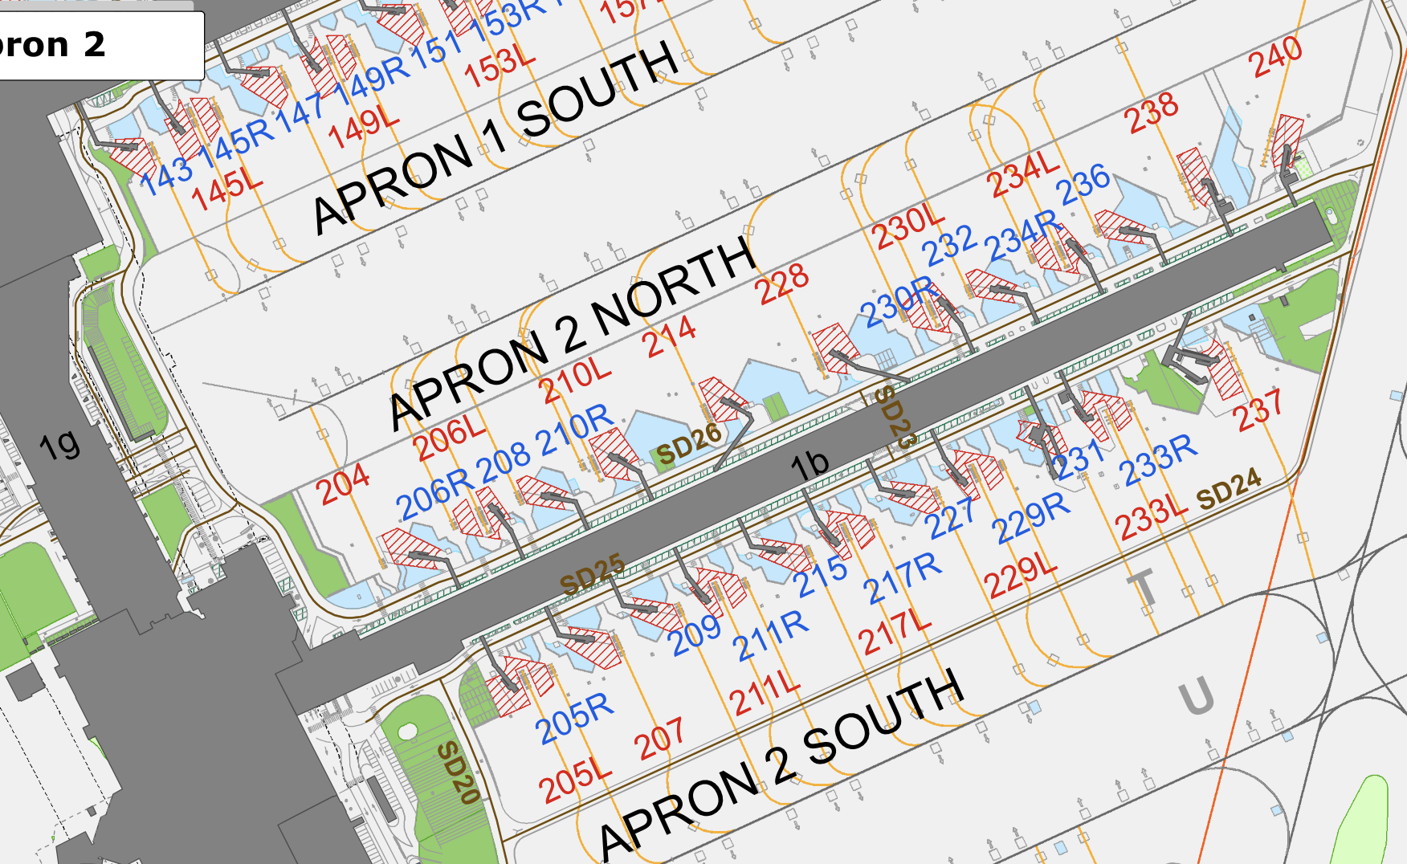
145L | Airline | A340, 747-400, 777, 787 | 71.8 | 0 | 0 | 1 | Terminal 1 (Europe) |  |  |  |  |  |  | Terminal 2 (International)
145R | Airline | A321, 737, Dash-8, Embraers | 35.9 | 0 | 0 | 1
146 | Airline | A321, 737, Dash-8, Embraers | 35.9 | 0 | 0 | 1
147 | Airline | A321, 737, Dash-8, Embraers | 35.9 | 0 | 0 | 1
148 | Airline | A321, 737, Dash-8, Embraers | 35.9 | 0 | 0 | 1
149L | Airline | A340, 747-400, 777, 787 | 71.8 | 0 | 0 | 1
149R | Airline | A321, 737, Dash-8, Embraers | 35.9 | 0 | 0 | 1
150 | Airline | A321, 737, Dash-8, Embraers | 35.9 | 0 | 0 | 1
151 | Airline | A321, 737, Dash-8, Embraers | 35.9 | 0 | 0 | 1
152 | Airline | A321, 737, Dash-8, Embraers | 35.9 | 0 | 0 | 1
153L | Airline | A340, 747-400, 777, 787 | 71.8 | 0 | 0 | 1
153R | Airline | A321, 737, Dash-8, Embraers | 35.9 | 0 | 0 | 1
154 | Airline | A321, 737, Dash-8, Embraers | 35.9 | 0 | 0 | 1
155 | Airline | A321, 737, Dash-8, Embraers | 35.9 | 0 | 0 | 1
156 | Airline | A321, 737, Dash-8, Embraers | 35.9 | 0 | 0 | 1
157L | Airline | A340, 747-400, 777, 787 | 71.8 | 0 | 0 | 1
157R | Airline | A321, 737, Dash-8, Embraers | 35.9 | 0 | 0 | 1
158 | Airline | A321, 737, Dash-8, Embraers | 35.9 | 0 | 0 | 1
159 | Airline | A321, 737, Dash-8, Embraers | 35.9 | 0 | 0 | 1
160 | Airline | A321, 737, Dash-8, Embraers | 35.9 | 0 | 0 | 1
161 | Airline | A340, 747-400, 777, 787 | 71.8 | 0 | 0 | 0
162 | Airline | A321, 737, Dash-8, Embraers | 35.9 | 0 | 0 | 0
163 | Airline | A321, 737, Dash-8, Embraers | 35.9 | 0 | 0 | 0
164 | Airline | A321, 737, Dash-8, Embraers | 35.9 | 0 | 0 | 0
165L | Airline | A340, 747-400, 777, 787 | 71.8 | 0 | 0 | 0 |  | Wingtip clearance: | https://www.wbdg.org/FFC/AF/AFMAN/113321_Apron.pdf
165R | Airline | A321, 737, Dash-8, Embraers | 35.9 | 0 | 0 | 0 |  |  |  | -> for aircrafts >33.5m -> 9m at least
166 | Airline | A321, 737, Dash-8, Embraers | 35.9 | 0 | 0 | 0 |  |  |  | -> Gates on apron1 north are 43.17-2*(35.9m/2) = | 43.17-35.9m = | 7.27 | m
167 | Airline | A321, 737, Dash-8, Embraers | 35.9 | 0 | 0 | 0 |  |  |  | -> considered next to each other
168 | Airline | A321, 737, Dash-8, Embraers | 35.9 | 0 | 0 | 0 |  |  |  | -> except gate 120->138, they have 50m -> 14.1m of clearance -> enough
169L | Airline | A340, 747-400, 777, 787 | 71.8 | 0 | 0 | 0
169R | Airline | A321, 737, Dash-8, Embraers | 35.9 | 0 | 0 | 0
170 | Airline | A321, 737, Dash-8, Embraers | 35.9 | 0 | 0 | 0
171 | Airline | A340, 747-400, 777, 787 | 71.8 | 0 | 0 | 0
172 | Airline | A321, 737, Dash-8, Embraers | 35.9 | 0 | 0 | 0
174 | Airline | A340, 747-400, 777, 787 | 71.8 | 0 | 0 | 0
204 | Airline | A321, 737, Dash-8, Embraers | 35.9 | 1 | 0 | 1
205L | Airline | A340, 747-400, 777, 787 | 71.8 | 1 | 0 | 1
205R | Airline | A321, 737, Dash-8, Embraers | 35.9 | 1 | 0 | 1
206L | Airline | A340, 747-400, 777, 787 | 71.8 | 1 | 0 | 1
206R | Airline | A321, 737, Dash-8, Embraers | 35.9 | 1 | 0 | 1
207 | Airline | A321, 737, Dash-8, Embraers | 35.9 | 1 | 0 | 1
208 | Airline | A321, 737, Dash-8, Embraers | 35.9 | 1 | 0 | 1
209 | Airline | A321, 737, Dash-8, Embraers | 35.9 | 1 | 0 | 1
210L | Airline | A340, 747-400, 777, 787 | 71.8 | 1 | 0 | 1
210R | Airline | A321, 737, Dash-8, Embraers | 35.9 | 1 | 0 | 1
211L | Airline | A340, 747-400, 777, 787 | 71.8 | 1 | 0 | 1
211R | Airline | A321, 737, Dash-8, Embraers | 35.9 | 1 | 0 | 1
214 | Airline | A340, 747-400, 777, 787 | 71.8 | 1 | 0 | 1
215 | Airline | A321, 737, Dash-8, Embraers | 35.9 | 1 | 0 | 1
217L | Airline | A340, 747-400, 777, 787 | 71.8 | 1 | 0 | 1
217R | Airline | A321, 737, Dash-8, Embraers | 35.9 | 1 | 0 | 1
227 | Airline | A321, 737, Dash-8, Embraers | 35.9 | 1 | 0 | 0
228 | Airline | A340, 747-400, 777, 787 | 71.8 | 1 | 0 | 0
229L | Airline | A340, 747-400, 777, 787 | 71.8 | 1 | 0 | 0
229R | Airline | A321, 737, Dash-8, Embraers | 35.9 | 1 | 0 | 0
230L | Airline | A340, 747-400, 777, 787 | 71.8 | 1 | 0 | 0
230R | Airline | A321, 737, Dash-8, Embraers | 35.9 | 1 | 0 | 0
231 | Airline | A321, 737, Dash-8, Embraers | 35.9 | 1 | 0 | 0
232 | Airline | A321, 737, Dash-8, Embraers | 35.9 | 1 | 0 | 0
233L | Airline | A340, 747-400, 777, 787 | 71.8 | 1 | 0 | 0
233R | Airline | A321, 737, Dash-8, Embraers | 35.9 | 1 | 0 | 0
234L | Airline | A340, 747-400, 777, 787 | 71.8 | 1 | 0 | 0
234R | Airline | A321, 737, Dash-8, Embraers | 35.9 | 1 | 0 | 0
236 | Airline | A321, 737, Dash-8, Embraers | 35.9 | 1 | 0 | 0
237 | Airline | A340, 747-400, 777, 787 | 71.8 | 1 | 0 | 0
238 | Airline | A340, 747-400, 777, 787 | 71.8 | 1 | 0 | 0
240 | Airline | A340, 747-400, 777, 787 | 71.8 | 1 | 0 | 0
120 | Airline | A321, 737, Dash-8, Embraers | 35.9 | 0 | 1 | 0
122 | Airline | A321, 737, Dash-8, Embraers | 35.9 | 0 | 1 | 0
126 | Airline | A321, 737, Dash-8, Embraers | 35.9 | 0 | 1 | 0
134 | Airline | A321, 737, Dash-8, Embraers | 35.9 | 0 | 1 | 0
136 | Airline | A321, 737, Dash-8, Embraers | 35.9 | 0 | 1 | 0
138 | Airline | A321, 737, Dash-8, Embraers | 35.9 | 0 | 1 | 0
312 | Airline | A340, 747-400, 777, 787 | 71.8 | 2 | 0 | -1
313 | Airline | A-10, C208, Citation X, CRJs, P-38 | 19.2 | 2 | 0 | -1
314 | Airline | A340, 747-400, 777, 787 | 71.8 | 2 | 0 | -1
315 | Airline | A321, 737, Dash-8, Embraers | 35.9 | 2 | 0 | -1
316 | Airline | A340, 747-400, 777, 787 | 71.8 | 2 | 0 | -1
317 | Airline | A-10, C208, Citation X, CRJs, P-38 | 19.2 | 2 | 0 | -1
318 | Airline | A-10, C208, Citation X, CRJs, P-38 | 19.2 | 2 | 0 | -1
319 | Airline | 757, 767, C-17, C-130, MD11/DC10 | 47.6 | 2 | 0 | -1
320 | Airline | 757, 767, C-17, C-130, MD11/DC10 | 47.6 | 2 | 0 | -1
321 | Airline | A-10, C208, Citation X, CRJs, P-38 | 19.2 | 2 | 0 | -1
322 | Airline | A-10, C208, Citation X, CRJs, P-38 | 19.2 | 2 | 0 | -1
323 | Airline | A-10, C208, Citation X, CRJs, P-38 | 19.2 | 2 | 0 | -1
324 | Airline | A-10, C208, Citation X, CRJs, P-38 | 19.2 | 2 | 0 | -1
325 | Airline | 757, 767, C-17, C-130, MD11/DC10 | 47.6 | 2 | 0 | -1
326 | Airline | 757, 767, C-17, C-130, MD11/DC10 | 47.6 | 2 | 0 | -1
327 | Airline | A-10, C208, Citation X, CRJs, P-38 | 19.2 | 2 | 0 | -1
328 | Airline | A-10, C208, Citation X, CRJs, P-38 | 19.2 | 2 | 0 | -1
421 | Airline | A321, 737, Dash-8, Embraers | 35.9 | 2 | 0 | -1
422 | Airline | A321, 737, Dash-8, Embraers | 35.9 | 2 | 0 | -1
423 | Airline | A321, 737, Dash-8, Embraers | 35.9 | 2 | 0 | -1
431 | Airline | A321, 737, Dash-8, Embraers | 35.9 | 2 | 0 | -1
432 | Airline | A321, 737, Dash-8, Embraers | 35.9 | 2 | 0 | -1
433 | Airline | A321, 737, Dash-8, Embraers | 35.9 | 2 | 0 | -1
441 | Airline | A321, 737, Dash-8, Embraers | 35.9 | 2 | 0 | -1
442 | Airline | A321, 737, Dash-8, Embraers | 35.9 | 2 | 0 | -1
443 | Airline | A321, 737, Dash-8, Embraers | 35.9 | 2 | 0 | -1
Dum | Airline | A340, 747-400, 777, 787 | 91.8 | -1 | 0 | 0

